Front-End
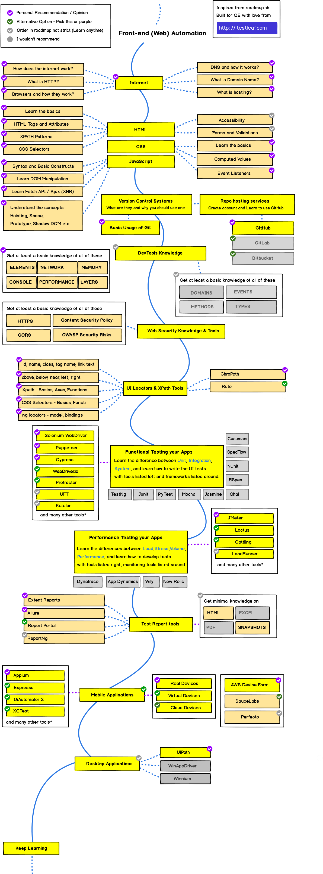
Topics to learn | Status | Comment
Git-Version Control | In-Progress | Daily updating my java & selenium practice in Git
Programming Language | In-Progress | Java
Data Structure & Algoritm
Desgin Pattern
HTTP/HTTPS &APIs

Back-End
